TSLA
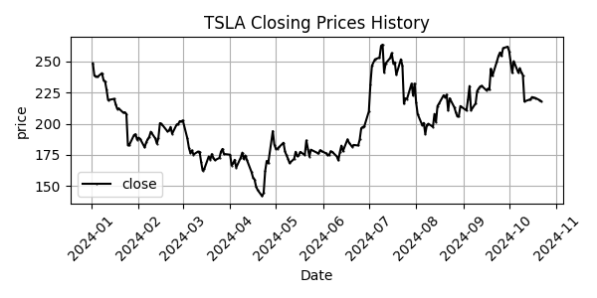
Date | Close Price
2024-01-02 | 248.42
2024-01-03 | 238.45
2024-01-04 | 237.93
2024-01-05 | 237.49
2024-01-08 | 240.45
2024-01-09 | 234.96
2024-01-10 | 233.94
2024-01-11 | 227.22
2024-01-12 | 218.89
2024-01-16 | 219.91
2024-01-17 | 215.55
2024-01-18 | 211.88
2024-01-19 | 212.19
2024-01-22 | 208.8
2024-01-23 | 209.14
2024-01-24 | 207.83
2024-01-25 | 182.63
2024-01-26 | 183.25
2024-01-29 | 190.93
2024-01-30 | 191.59
2024-01-31 | 187.29
2024-02-01 | 188.86
2024-02-02 | 187.91
2024-02-05 | 181.06
2024-02-06 | 185.1
2024-02-07 | 187.58
2024-02-08 | 189.56
2024-02-09 | 193.57
2024-02-12 | 188.13
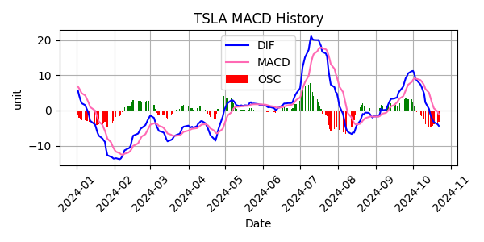
2024-02-13 | 184.02
2024-02-14 | 188.71
2024-02-15 | 200.45
2024-02-16 | 199.95
2024-02-20 | 193.76
2024-02-21 | 194.77
2024-02-22 | 197.41
2024-02-23 | 191.97
2024-02-26 | 199.4
2024-02-27 | 199.73
2024-02-28 | 202.04
2024-02-29 | 201.88
2024-03-01 | 202.64
2024-03-04 | 188.14
2024-03-05 | 180.74
2024-03-06 | 176.54
2024-03-07 | 178.65
2024-03-08 | 175.34
2024-03-11 | 177.77
2024-03-12 | 177.54
2024-03-13 | 169.48
2024-03-14 | 162.5
2024-03-15 | 163.57
2024-03-18 | 173.8
2024-03-19 | 171.32
2024-03-20 | 175.66
2024-03-21 | 172.82
2024-03-22 | 170.83
2024-03-25 | 172.63
2024-03-26 | 177.67
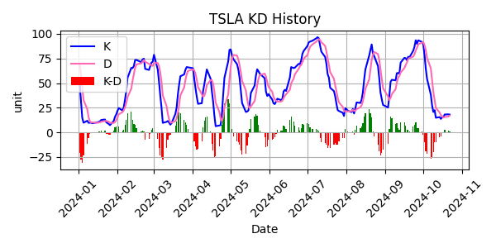
2024-03-27 | 179.83
2024-03-28 | 175.79
2024-04-01 | 175.22
2024-04-02 | 166.63
2024-04-03 | 168.38
2024-04-04 | 171.11
2024-04-05 | 164.9
2024-04-08 | 172.98
2024-04-09 | 176.88
2024-04-10 | 171.76
2024-04-11 | 174.6
2024-04-12 | 171.05
2024-04-15 | 161.48
2024-04-16 | 157.11
2024-04-17 | 155.45
2024-04-18 | 149.93
2024-04-19 | 147.05
2024-04-22 | 142.05
2024-04-23 | 144.68
2024-04-24 | 162.13
2024-04-25 | 170.18
2024-04-26 | 168.29
2024-04-29 | 194.05
2024-04-30 | 183.28
2024-05-01 | 179.99
2024-05-02 | 180.01
2024-05-03 | 181.19
2024-05-06 | 184.76
2024-05-07 | 177.81
2024-05-08 | 174.72
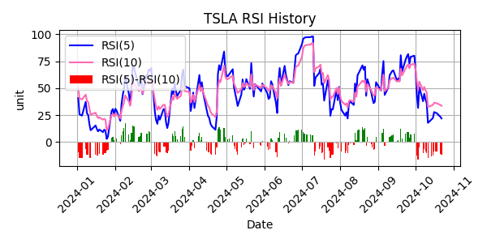
2024-05-09 | 171.97
2024-05-10 | 168.47
2024-05-13 | 171.89
2024-05-14 | 177.55
2024-05-15 | 173.99
2024-05-16 | 174.84
2024-05-17 | 177.46
2024-05-20 | 174.95
2024-05-21 | 186.6
2024-05-22 | 180.11
2024-05-23 | 173.74
2024-05-24 | 179.24
2024-05-28 | 176.75
2024-05-29 | 176.19
2024-05-30 | 178.79
2024-05-31 | 178.08
2024-06-03 | 176.29
2024-06-04 | 174.77
2024-06-05 | 175
2024-06-06 | 177.94
2024-06-07 | 177.48
2024-06-10 | 173.79
2024-06-11 | 170.66
2024-06-12 | 177.29
2024-06-13 | 182.47
2024-06-14 | 178.01
2024-06-17 | 187.44
2024-06-18 | 184.86
2024-06-20 | 181.57
2024-06-21 | 183.01
2024-06-24 | 182.58
2024-06-25 | 187.35
2024-06-26 | 196.37
2024-06-27 | 197.42
2024-06-28 | 197.88
2024-07-01 | 209.86
2024-07-02 | 231.26
2024-07-03 | 246.39
2024-07-05 | 251.52
2024-07-08 | 252.94
2024-07-09 | 262.33
2024-07-10 | 263.26
2024-07-11 | 241.03
2024-07-12 | 248.23
2024-07-15 | 252.64
2024-07-16 | 256.56
2024-07-17 | 248.5
2024-07-18 | 249.23
2024-07-19 | 239.2
2024-07-22 | 251.51
2024-07-23 | 246.38
2024-07-24 | 215.99
2024-07-25 | 220.25
2024-07-26 | 219.8
2024-07-29 | 232.1
2024-07-30 | 222.62
2024-07-31 | 232.07
2024-08-01 | 216.86
2024-08-02 | 207.67
2024-08-05 | 198.88
2024-08-06 | 200.64
2024-08-07 | 191.76
2024-08-08 | 198.84
2024-08-09 | 200
2024-08-12 | 197.49
2024-08-13 | 207.83
2024-08-14 | 201.38
2024-08-15 | 214.14
2024-08-16 | 216.12
2024-08-19 | 222.72
2024-08-20 | 221.1
2024-08-21 | 223.27
2024-08-22 | 210.66
2024-08-23 | 220.32
2024-08-26 | 213.21
2024-08-27 | 209.21
2024-08-28 | 205.75
2024-08-29 | 206.28
2024-08-30 | 214.11
2024-09-03 | 210.6
2024-09-04 | 219.41
2024-09-05 | 230.17
2024-09-06 | 210.73
2024-09-09 | 216.27
2024-09-10 | 226.17
2024-09-11 | 228.13
2024-09-12 | 229.81
2024-09-13 | 230.29
2024-09-16 | 226.78
2024-09-17 | 227.87
2024-09-18 | 227.2
2024-09-19 | 243.92
2024-09-20 | 238.25
2024-09-23 | 250
2024-09-24 | 254.27
2024-09-25 | 257.02
2024-09-26 | 254.22
2024-09-27 | 260.46
2024-09-30 | 261.63
2024-10-01 | 258.02
2024-10-02 | 249.02
2024-10-03 | 240.66
2024-10-04 | 250.08
2024-10-07 | 240.83
2024-10-08 | 244.5
2024-10-09 | 241.05
2024-10-10 | 238.77
2024-10-11 | 217.8
2024-10-14 | 219.16
2024-10-15 | 219.57
2024-10-16 | 221.33
2024-10-17 | 220.89
2024-10-18 | 220.7
2024-10-21 | 218.85
2024-10-22 | 217.97

